Info
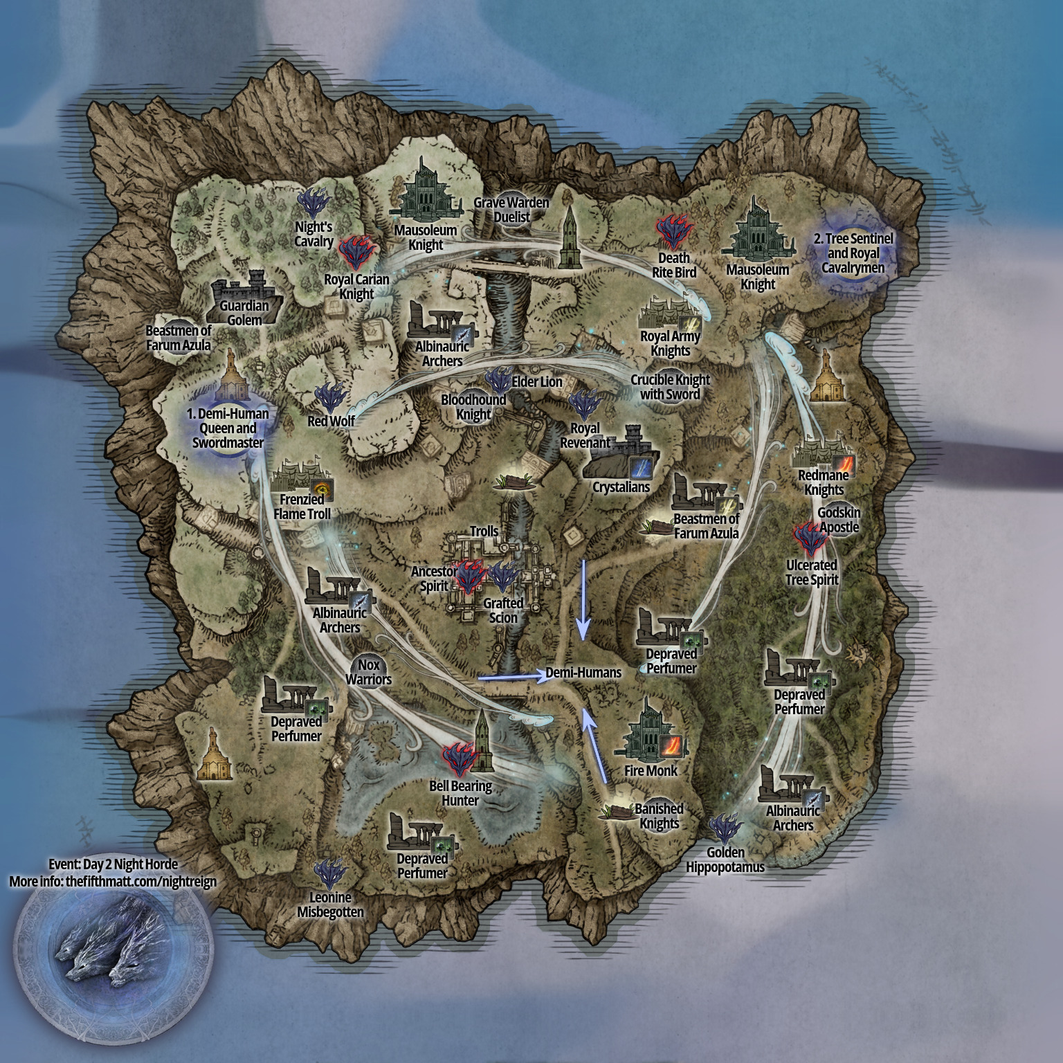
Elden Ring Nightreign map pattern data
Last updated for app ver 1.01.3
Created by thefifthmatt

?ServerName? modding discord link: https://discord.gg/mT2JJjx

Visual maps and more info: https://thefifthmatt.com/nightreign

